Parametros
 | Toperación [K] | CO2 | 0.15
 | 323 | N2 | 0.85

Φij | Gas | µ [Pa*s] | k [W/m*K] | Cp [J/kg*K] | Cp [J/mol*K] | KL [1/s] | M[kg/Kmol] | Disp[m^2/s] | qi[mmol/g] | ΔH [J/mol] | Ecuación de Ergun
1.90E-01 | CO2 | 1.61E-05 | 7.8811610992 | 874.7681782 | 38.489799841 | 0.1215 | 44 |  | 7.2 | -28712.201933
 | N2 | 4.28E-03 | 1.5337017508 | 1027.9959225 | 14.391942915 | 0.2889 | 14 |  | 0.67 | -18000
 | Mezcla | 1.92E-02 | 13.077401682 | 1005.0117608
 |  |  |  |  | 38489.799841 |  |  |  |  | -28712201.933
 |  |  |  |  | 14391.942915 |  |  |  |  | -18000000
 | Wall
 | ρw [Kg/m^3] | 7941
 | Kw [W/m*K] | 15.14
 | Cpw [J/kg*K] | 516.38054095
 | Wall Thickness [m] | 0.001
 | hin[W/m^2*K]
 | hout[W/m^2/K]

 |  |  |  |  |  |  |  |  |  |  |  |  |  | (aTw/an)
 | Adsorbent |  |  |  |  |  |  | hout [W/m^2*K] |  |  |  |  |  | Tw [K] |  | (aTw/an) | 0
 | ρp [Kg/m^3] [Particle] | 911 |  |  |  |  |  | Kair [W/m*K] |  |  |  | Keff [W/m*K] | 8.9119687337 | Tamb [K] | 298.15 | Tw [K]
 | ρs [Kg/m^3] | 297 |  |  |  |  |  | Do [m] | 0.005 |  |  | hin [W/m^2*K] |  | ϵ | 0.17 | Tamb [K] | 298.15
 | Ks[W/m*K] | 0.3 |  |  |  |  |  | Prair |  |  |  |  |  | σ [W/m^2*K^4] | 5.67E-08 | ϵ | 0.17
 | Cps[J/kg*K] | 900 |  |  |  |  |  | Ra |  |  |  |  |  |  |  | σ [W/m^2*K^4] | 5.67E-08
 | ε [bed porosity] | 0.674
 | dp [m] | 0.001
 | altura de la cama [m] | 1
 | Diametro de la cama [m] | 0.004
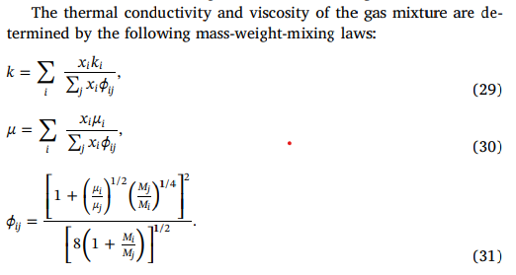

 |  | Cp |  | k |  | µ
 | CO2 | A | 491.702 | A | -0.00694154 | A | -1.10E-06
 |  | B | 1.43603 | B | 7.54E-05 | B | 5.90E-08
 |  | C | -0.0007742 | C | 7.54E-05 | C | -1.75E-11
 |  | D | 0 | D | 0 | D | 0
 |  | E | 0 | E | 0 | E | 0
 | N2 | A | 938.6992 | A | 0.004737109 | A | 7.47E-06
 |  | B | 0.3017911 | B | 0.004737109 | B | 4.08E-08
 |  | C | -8.11E-05 | C | -1.12E-08 | C | 4.08E-08
 |  | D | 8.26E-09 | D | 1.45E-12 | D | 1.31E-15
 |  | E | -1.54E-13 | E | -7.87E-17 | E | -8.18E-20

Isoterma
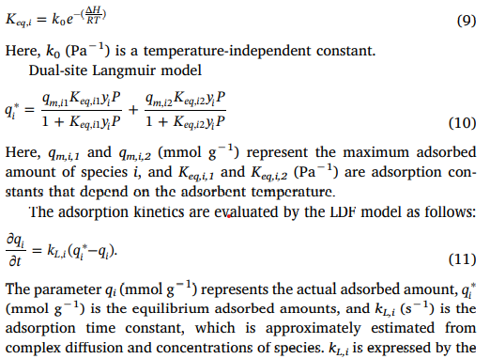
 | IP1i=qmi1
 | Ip2i=0
ko1=keqi1 | IP3i=Ko1
 | e^IP4i/T=e^(deltaH/RT)
 | Pi=YiP
 | IP5i=qmi2
 | IP6i=0
ko2=keqi2 | IP7i=ko2
 | e^IP8i/T=e^(deltaH/RT) |  |  |  |  |  | =
 | Pi=YiP

 | qm,1=ip1 (Kmol/Kg) | qm,2=ip5i | k0,1=Ip3i(1/bar) | k0,2=Ip7i/bar) | Deltah1 | Deltah2
Co2 | 0.0068 | 0.0099 | 2.44E-06 | 1.39E-05 | 1091.1981921 | 623.54182405
N2 | 0.014 | 0 | 4.96E-05 | 0 | 1250.6997913 | 0

